Instructions
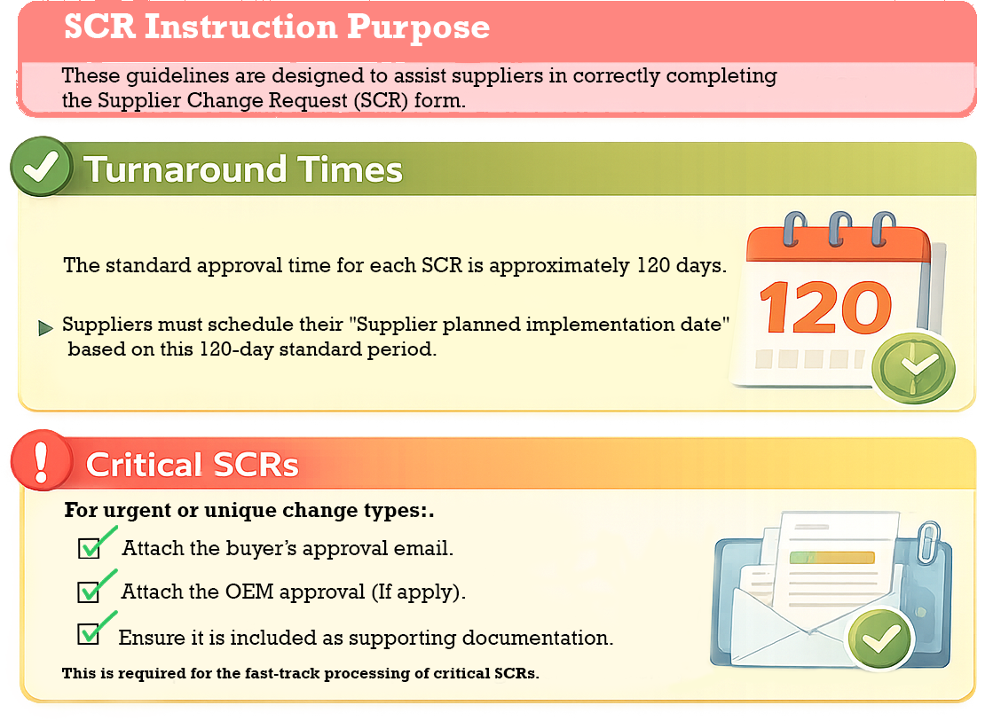

(1) Manufacturing Address (Current Address) | (2) General Supplier Information

Complete this section with the current manufacturing address | Supplier Name
Street | Full legal name of the supplier.
City | Supplier Contact Name & Title
Country | Name and job title of the person responsible for this change.
Region / State | Supplier Contact Email / Phone
Postal Code | Direct contact information of the person responsible for the SCR.
 | Supplier Tracking #
Incoterm (International Commercial Terms) | Supplier’s internal reference number used to track this change (if applicable).
Incoterm Location Location from which the material is sent

(3) New Manufacturing Address – Grey Fields | (4) Key dates

🔒 Grey fields = DO NOT fill out initially | Supplier Planned Implementation Date
These fields will only be enabled (change from grey to white) when.. | Planned date when the change will be implemented.
the selected change type is selected. | PPAP Documentation Availability Date
 | Date when PPAP documentation will be available (Before SCR implementation).
Mfg. Location Change/Addition: Street/City/Country/Region/State/Postal code | End of Life Drop Dead Date
Incoterm: New incoterm | Final date for supplying the current product version (if applicable).
POP: New Incoterm location

(5) Supplier Ship-To / Yazaki Receiving Locations | (6) Change Type

In this section, indicate which Yazaki plants currently receive your product.

☑ How to complete | Select YES or NO for each applicable change type.
Each location includes a dropdown menu. | See "Change Type Definitions" tab for reference
Available options are YES / NO only.

Visual behavior
When YES is selected, the cell will turn red.

Blue-colored locations

Blue cells represent Yazaki plants located in the Asia region.
These must be answered using the same format (YES / NO).

⚠ Please answer accurately. This information impacts logistics, quality, and planning.

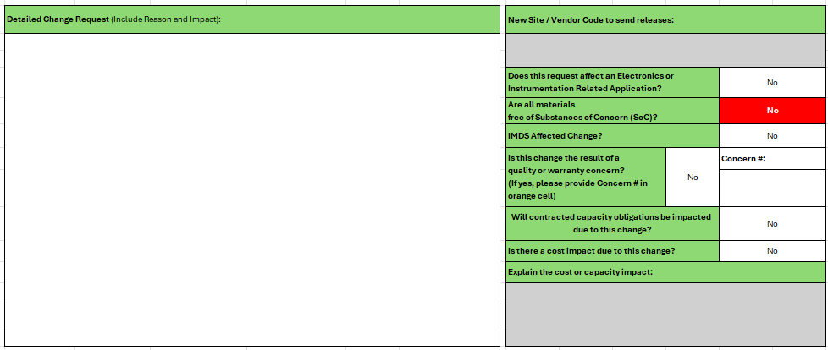
(7) Detail of the change | (8) Additional Impact & Compiance Information
 |  | Complete this section to confirm regulatory compliance, quality impact, and cost or capacity implications related to the requested change.

 |  | New Site / Vendor Code to Send Releases
 |  | Enter the new site name and/or vendor code to which releases should be issued, if applicable.

 |  | Electronics or Instrumentation Related Application
 |  | Indicate whether this change affects electronics or instrumentation-related applications by selecting YES or NO. (YED/YIM)

 |  | Substances of Concern (SoC)
 |  | Are all materials free of Substances of Concern (SoC)?
 |  | Select YES or NO.

 |  | Visual behavior
 |  | If NO is selected, the cell will appear in red.
 |  | When the supplier confirms that all materials are free of Substances of Concern, the cell will change from red to white.

 |  | 🖋 What are Substances of Concern (SoC)?
 |  | Substances of Concern are regulated or restricted chemical substances that may pose risks to health, safety, or the environment, and are controlled under regulations such as REACH, RoHS, or similar standards.

 |  | ⚠ The supplier is responsible for ensuring material compliance with applicable regulations.

In this field, the supplier must provide a clear and detailed explanation of each.. | IMDS Affected Change
change type selected. | Indicate whether the change impacts IMDS (International Material Data System) reporting by selecting YES or NO.

Please include the following information: | Quality or Warranty Concern
Description of the Change | Is this change the result of a quality or warranty concern?
Explain what is changing and how it differs from the current situation. | Select YES or NO.
Address each selected change type separately.
 | If YES, enter the related Concern Number in the designated field.
Reason for the Change
Clearly state why the change is being requested. | Contracted Capacity Impact
Include business, operational, technical, or regulatory reasons, as applicable. | Will contracted capacity obligations be impacted due to this change?
 | Select YES or NO.
Risk Mitigation (if applicable)
Describe actions taken to prevent risk or ensure continuity of supply during .. | Cost or Capacity Impact
and after the change. | Is there a cost or capacity impact due to this change?
 | Select YES or NO.
⚠ Important Notes
Vague or incomplete explanations may result in delays or rejection of the SCR. | Field activation behavior
All information must be accurate, complete, and consistent with the selected change types.
 | If YES is selected, the field “Explain the cost or capacity impact” will change from grey to white.
 | The supplier must then provide a clear explanation of:
If multiple changes are selected, clearly separate each change in your explanation. | ○ The reason for the cost or capacity impact.
 | ○ Whether the impact is temporary or permanent.
 | ○ The magnitude of the impact.

 | ⚠ Cost or capacity impacts must be fully justified and transparent.

 | Explain the Cost or Capacity Impact
 | Use this field to clearly explain why a cost and/or capacity impact exists, including any supporting information.

(9) SCR Number

This field is system generated and unique to each Supplier Change Request.

⚠ Do not fill out this field.
The SCR Number will be assigned and completed exclusively by the SCR team once the request is received and logged.

