Sample Tool Pictures
Tool Photos

Tool in Open Position | Tool in Closed Position
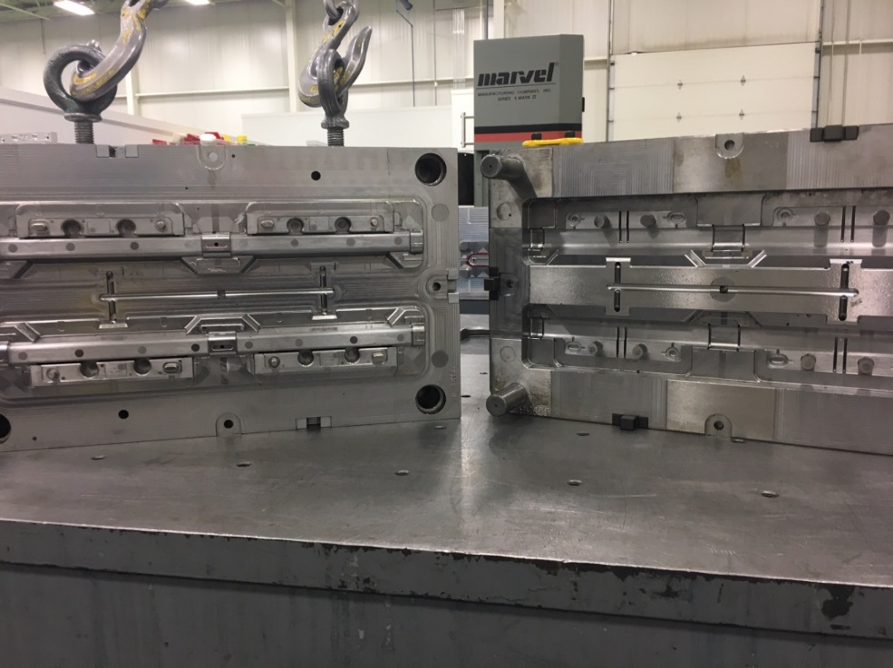 | 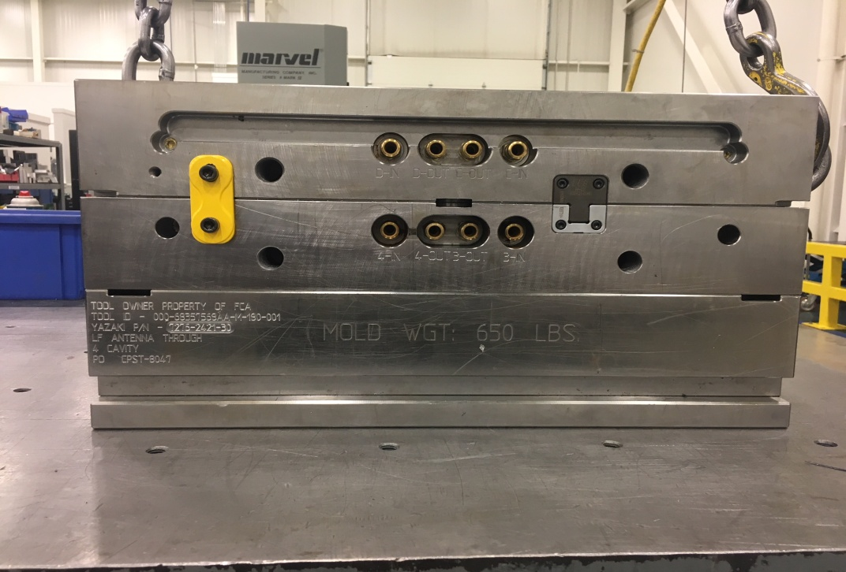

Example Only

Engraved Tool Engraving | Tool Cavities
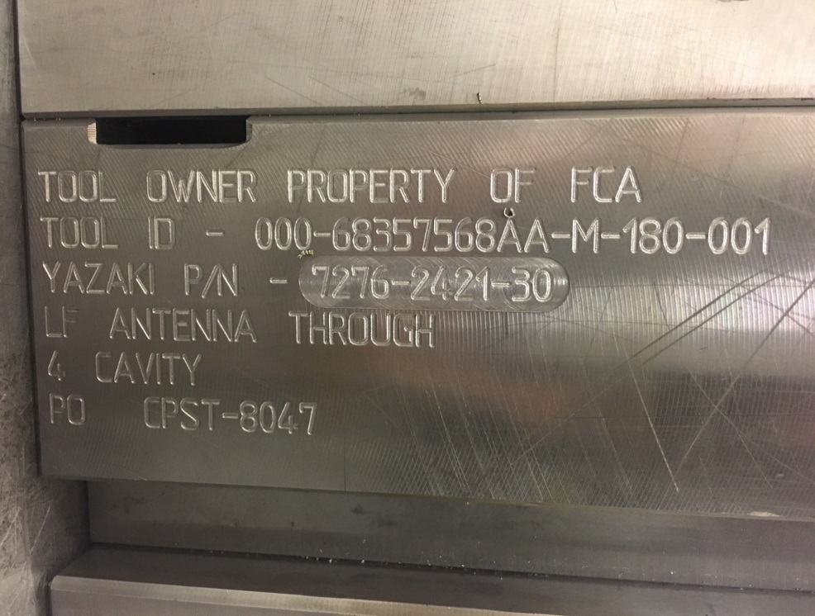 | 